Indices

 | Iraq Stock Exchange
 | Bulletin No (118)
 | ISX Trading Indices of Thursday 9/7/2026

 | Traded Volume and OTC |  | 617,222,515 |  | Traded Value and OTC |  | 1,167,549,544 |  | Traders | 1405

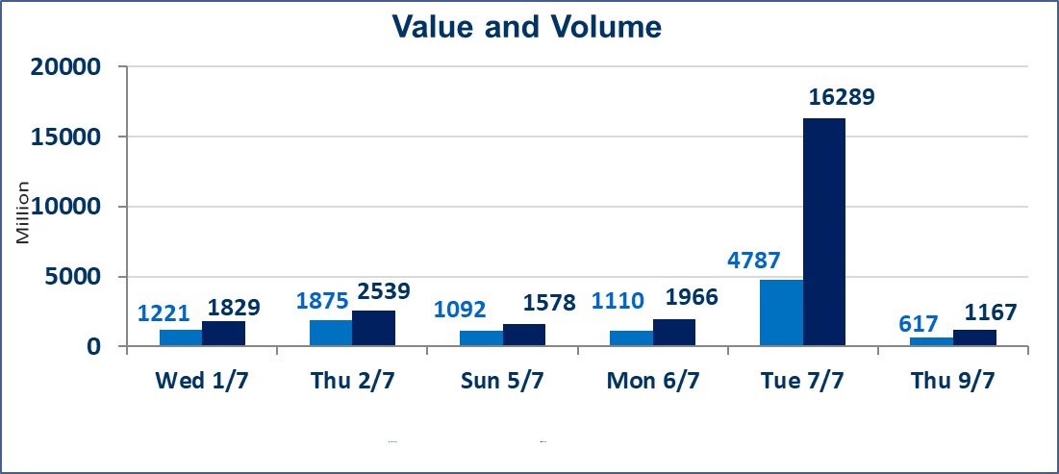
 | ISX Index 60 |  |  | 1016.21 | ISX Index 15 |  |  | 1275.33
 | Previous ISX Index60 |  |  | 1022.12 | Previous ISX Index15 |  |  | 1278.13
 | Change % |  |  | -0.58 | Change % |  |  | -0.22
 | Change |  |  | -5.91 | Change |  |  | -2.80

 | Listed Companies | 103 | OTC | 17 | Non Traded listed | 38 | OTC | 16
 | Traded Listed Companies | 49 | OTC | 1 | Higher Companies |  |  | 6
 | GAM Companies |  |  | 8 | Lower Companies |  |  | 18
 | Suspended Companies |  |  | 8
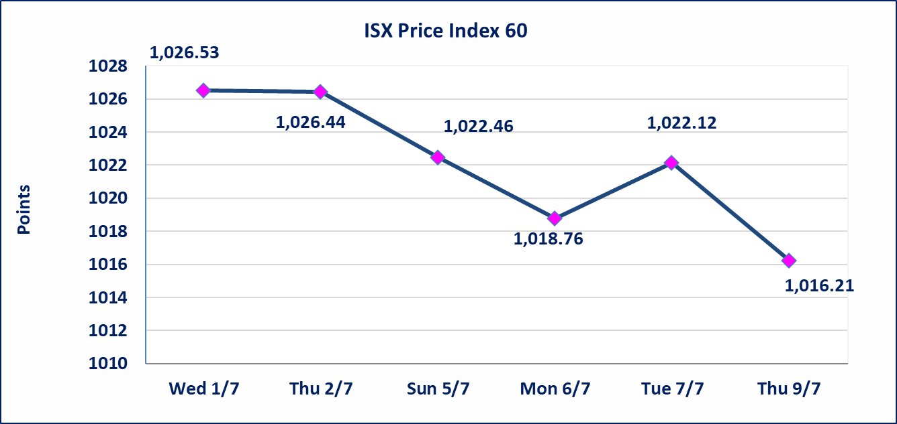
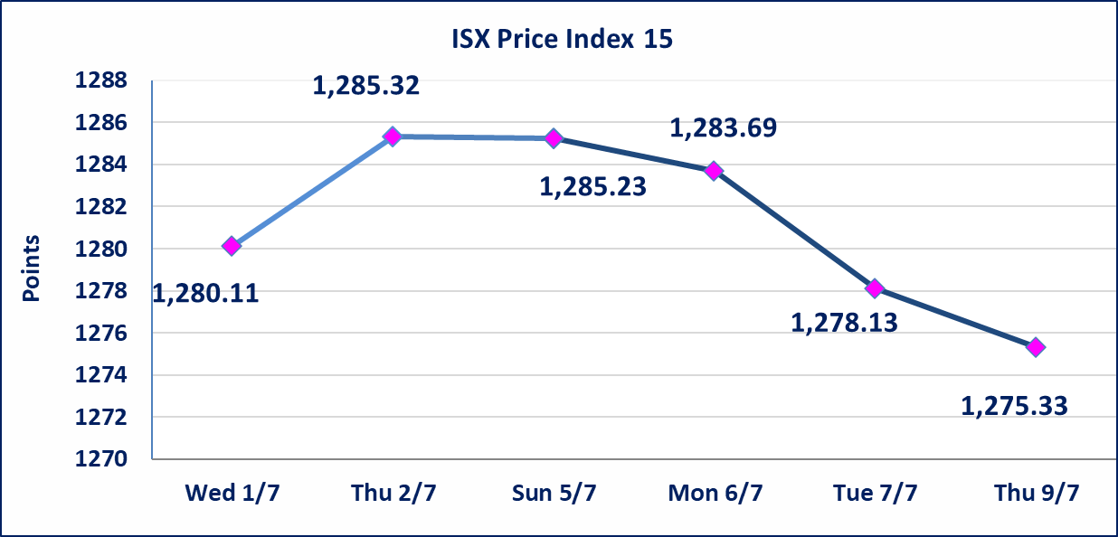

Al-Alwiya P.O . 3607 Mobile: 07711211522 - 07270094594 - 07834000034 E-mail: info-isx@isx-iq.net Web site:www.isx-iq.net

Top 5
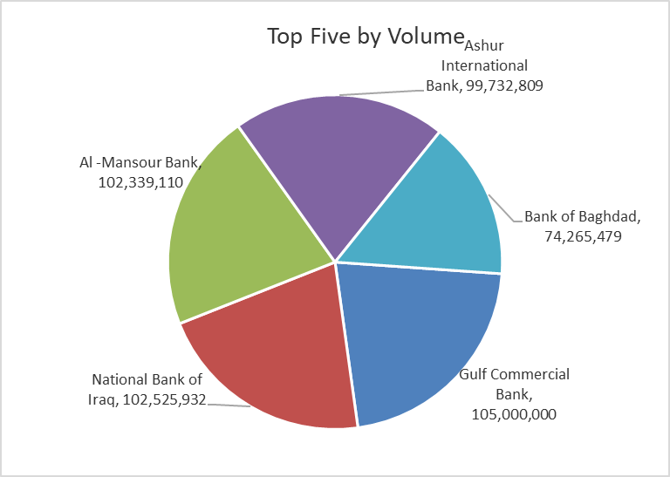
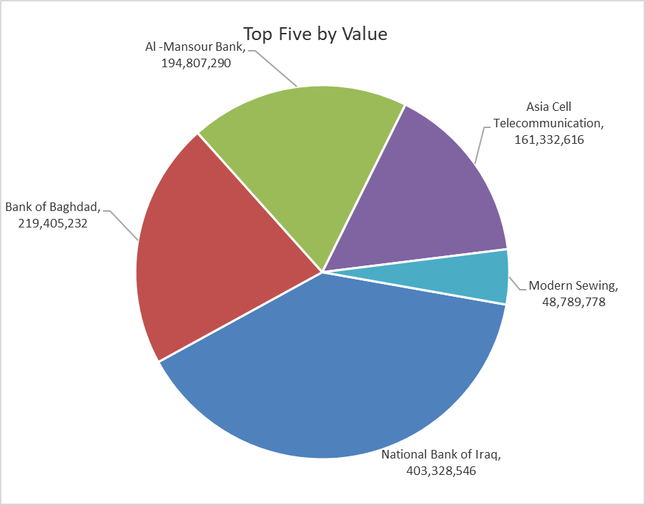

ISX top ganing and losing companies
Thursday 9/7/2026
 | Gainers |  |  |  | Losers
 | Company Name | Closing Price | Change (%) | Traded Volume | Company Name | Closing Price | Change (%) | Traded Volume
 | Iraq Noor Islamic Bank for Investment | 0.230 | 9.52 | 108,695 | Al-Ataa Islamic Bank | 0.090 | -10.00 | 1,986,107
 | Agricultural Products Meat | 5.200 | 8.33 | 15,348 | Union Bank of Iraq | 0.150 | -6.25 | 10,000
 | Credit Bank Of Iraq | 0.550 | 3.77 | 847,416 | Gulf Commercial Bank | 0.320 | -5.88 | 105,000,000
 | Elaf Islamic Bank | 0.280 | 3.70 | 20,000 | Modern Sewing | 5.850 | -4.10 | 8,720,060
 | National Bank of Iraq | 4.000 | 1.27 | 102,525,932 | Al-Ameen for Insurance | 0.860 | -3.37 | 127,912
 | The most active companies in term of traded volume and value

 | Traded Volume |  |  |  | Traded Value
 | Company Name | Closing Price | Change (%) | Traded Volume | Company Name | Closing Price | Change (%) | Traded Value
 | Gulf Commercial Bank | 0.320 | -5.88 | 105,000,000 | National Bank of Iraq | 4.000 | 1.27 | 403,328,546
 | National Bank of Iraq | 4.000 | 1.27 | 102,525,932 | Bank of Baghdad | 2.980 | -0.67 | 219,405,232
 | Al -Mansour Bank | 1.900 | -1.04 | 102,339,110 | Al -Mansour Bank | 1.900 | -1.04 | 194,807,290
 | Ashur International Bank | 0.310 | -3.12 | 99,732,809 | Asia Cell Telecommunication | 16.200 | -0.98 | 161,332,616
 | Bank of Baghdad | 2.980 | -0.67 | 74,265,479 | Modern Sewing | 5.850 | -4.10 | 48,789,778

Non Iraqis

Iraq Stock Exchange
Non Iraqis' Bulletin Thursday July 9 2026
Regular Market

Non Iraqi Trading of Regular Market (Buy)
Company Names | Code | No.of trades | Traded Shares | Trading Volume
Banks Sector
Gulf Commercial Bank | BGUC | 15 | 46,000,000 | 15,180,000
Al-Mansour Bank | BMNS | 6 | 2,607,739 | 4,977,694
Total Bank sector |  | 21 | 48,607,739 | 20,157,694
Grand Total |  | 21 | 48,607,739 | 20,157,694

Non Iraqi Trading of Regular Market (Sell)
Company Names | Code | No.of trades | Traded Shares | Trading Volume
Telecommunication Sector
Asia cell | TASC | 91 | 4,888,716 | 78,467,164
Total Telecommunication sector |  | 91 | 4,888,716 | 78,467,164
Grand Total |  | 91 | 4,888,716 | 78,467,164

OTC

Iraq Stock Exchange

Thursday 9/7/2026

OTC Platform Trading Bulletin No (118)
Company Name | Code | highest price | lowest price | Average price | No.of Trades | Traded Volume | Traded Value
Banks Sector
Al-Warka Bank | BWAI | 0.140 | 0.130 | 0.140 | 6 | 13,520,000 | 1,892,600
Total Of Money Service Sector |  |  |  |  | 6 | 13,520,000 | 1,892,600
Total |  |  |  |  | 6 | 13,520,000 | 1,892,600

Not Trading OTC Companies
Company Name |  |  | Code |  | Previous Average price
Banks Sector
Al-Sanam Islamic Bank |  |  | BSAN |  | 3.000
Hammurabi Commercial Bank |  |  | BHAM |  | ـــــــــــــــــــــــــــــــــــ
Industrial Sector
Kirkuk producing constructional materials |  |  | IKFP |  | 2.660
Money Service Sector
Rabee Securities |  |  | FRSE |  | 9.050
Karmal Brokerage |  |  | FKSX |  | 10.000
Iraqi Deposit Insurance Corporation |  |  | FIDI |  | 1.000
Ishtar Gate for e-Paymant |  |  | FISH |  | 1.000
Sama Baghdad Exchange |  |  | FSBE |  | ـــــــــــــــــــــــــــــــــــ
Insurance Sector
Almaseer lnsurance Company |  |  | NMAS |  | ـــــــــــــــــــــــــــــــــــ
Zain lnsurance Company |  |  | NZA |  | ـــــــــــــــــــــــــــــــــــ
Dar Altheqa Insurance Company |  |  | NDAR |  | ـــــــــــــــــــــــــــــــــــ
Shatt Al Arab Insurance |  |  | NSHA |  | 1.000
Al Badia Insurance |  |  | NBAD |  | ـــــــــــــــــــــــــــــــــــ
Kurdistan Insurance |  |  | NKUI |  | 0.500
Elaf Insurance |  |  | NELF |  | ـــــــــــــــــــــــــــــــــــ
Dilina Insurance Company |  |  | NDIL |  | ـــــــــــــــــــــــــــــــــــ

Not Trading Bonds

Iraq Stock Exchange
Thursday 9/7/2026
Not Trading Bonds Bulletin
Bond type | Publish type | Code | last trading price | immortilize date
Banaa Bonds /Million ID | Second | CB20 | 964,981 | 19/12/2025
Eamar Bonds /Million ID | First | CB30 | 1,001,095 | ــــــــــــــــ
Eamar Bonds /Million ID | Second | CB40 | ــــــــــــــــ | ــــــــــــــــ
Eamar Bonds /500 Thousand ID | Third | CB45 | ــــــــــــــــ | ــــــــــــــــ
Eamar Bonds /Million ID | Third | CB50 | ــــــــــــــــ | ــــــــــــــــ
Injaz Bonds /500 Thousand ID | First | CB55 | ــــــــــــــــ | ــــــــــــــــ
Injaz Bonds /Million ID | First | CB60 | 951,110 | ــــــــــــــــ
Injaz Bonds /500 Thousand ID | Second | CB65 | 511,000
Injaz Bonds /Million ID | Second | CB70 | 965,050 | ــــــــــــــــ
Injaz Bonds /500 Thousand ID | Third | CB75 | ــــــــــــــــ | ــــــــــــــــ
Injaz Bonds /Million ID | Third | CB80 | 978,182 | ــــــــــــــــ
National Bonds/Million ID | First | CB90 | ــــــــــــــــ | ــــــــــــــــ
National Bonds/500 Thousand ID | Second | CB95 | ــــــــــــــــ | ــــــــــــــــ
National Bonds/Million ID | Second | CB100 | ــــــــــــــــ | ــــــــــــــــ

